Tab 2 Budget
FEMA GO Budget Summary Entry Instructions
 | I. Applicant Information

 |  | Primary and secondary costs must be entered into the FEMA GO system. However, due to system limitations, budget summary line items have field names in FEMA GO that are different from the primary and secondary services cost terms that are defined in the Notice of Funding Opportunity (NOFO). The following crosswalk and guidance are supplemental to the FEMA GO instructions and should be referred to only when an applicant is entering in their budget information into FEMA GO. Please note that construction costs should be entered normally according to FEMA GO guidance without any alterations. The instructions below refer only to non-construction costs. All secondary services will be grouped under “Other” and must specify the relevant NOFO term in the “Project Name” and “Project Description” in Step 3.

 | Table 1: Crosswalk

 |  |  | Primary Services (NOFO Definition) | Primary Services (FEMA GO Definition)

 |  |  | Shelter | Contractual
 |  |  | Food | Equipment
 |  |  | Transportation | Fringe Benefits
 |  |  | Acute Medical Care | Personnel
 |  |  | Personal Hygiene Supplies | Supplies
 |  |  | Labor for Primary Services | Travel
 |  |  | Secondary Services (NOFO Definition) | Secondary Services (FEMA GO Definition)

 |  |  | Renovations/Modifications | Other
 |  |  | Clothing | Other
 |  |  | Outreach Information | Other
 |  |  | Translation Services | Other
 |  |  | Labor for Secondary Services | Other

 | II. How to Enter Primary Services Costs into FEMA GO

 |  | Step 1. Please select “No” in the “Grant request details” section pictured below:

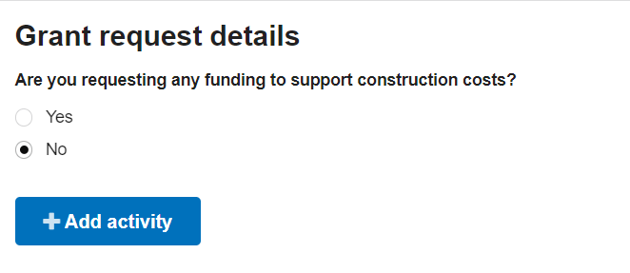

 |  | Step 2. Once selected, click the blue box titled "Add activity." A new dialog box will open, then select "Project" and click on the blue "Add this activity" box.

 |  | Step 3. Please then specify which primary service cost in the "Project name" field and input the "Project desciption" as appropriate.

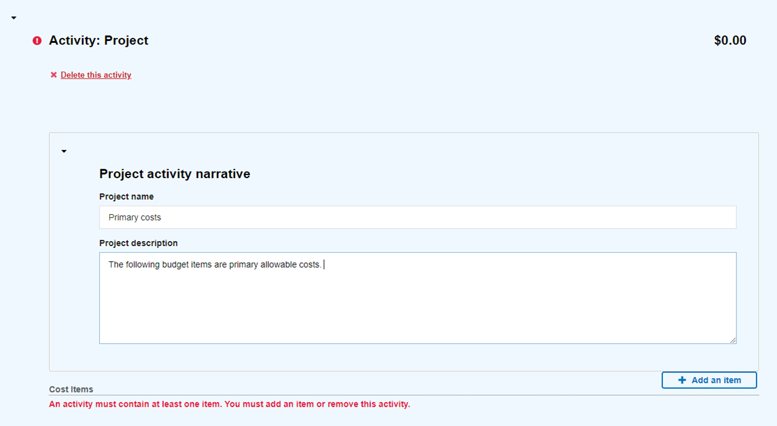

 |  | Step 4. Once completed, select the “+ Add an item” box and a new dialog box will open with the crosswalked terms from Table 1 in the drop-down menu. Please select the appropriate primary service cost from the associated term in the drop-down menu below (e.g., “Shelter” costs = “Contractual”).

 |  | Step 5. Once selected, a new dialog box will open. Appropriately update the “Quantity” and “Unit Price” fields. The total will automatically calculate in the “Unit total” field. Once completed, then select the blue “Add this item” box.

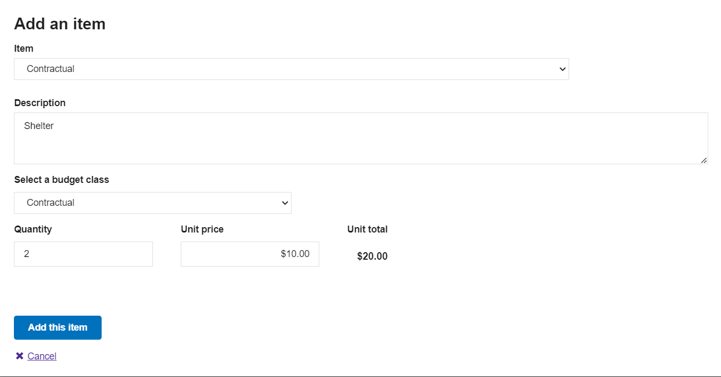

 |  | Step 6. Please then verify that the line item is correct in the next subsection titled "Overall Budget Summary".

 |  | Once verified, repeat steps 3–6 for the remaining primary costs referring to Table 1 to appropriately crosswalk the NOFO terms with FEMA GO.

 | III. How to Enter Secondary Services Costs into FEMA GO

 |  | To enter secondary services costs into FEMA GO:

 |  | Step A. Go back to “Project activity narrative” under the “Activity: Project” section.

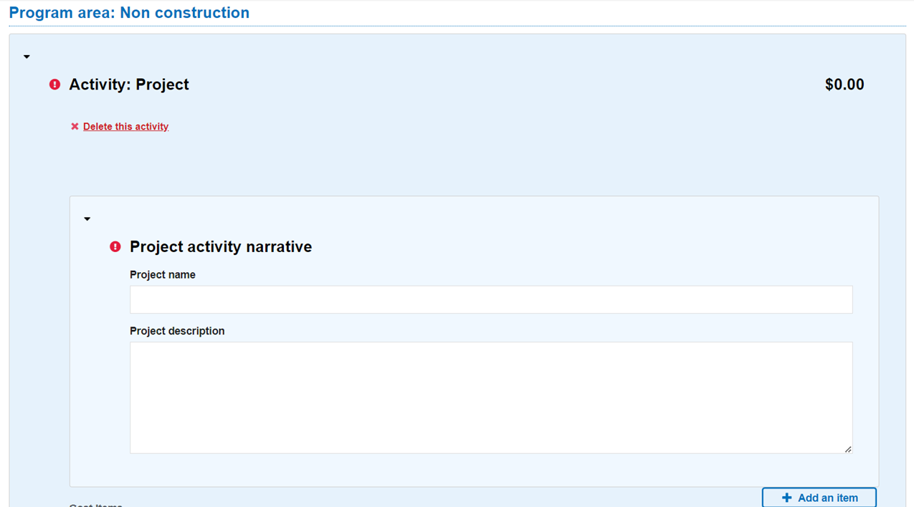

 |  | Step B. Click “Add an item,” and select “Other” for all secondary services. In “Description”, describe which secondary service you are adding. For example, select “Other” and then list in the description “Renovations/modifications” and provide a summary of the cost items as appropriate. Select “Other” for “budget class” and fill in the quantity and unit price. Select “Add this item” to include it in your application.

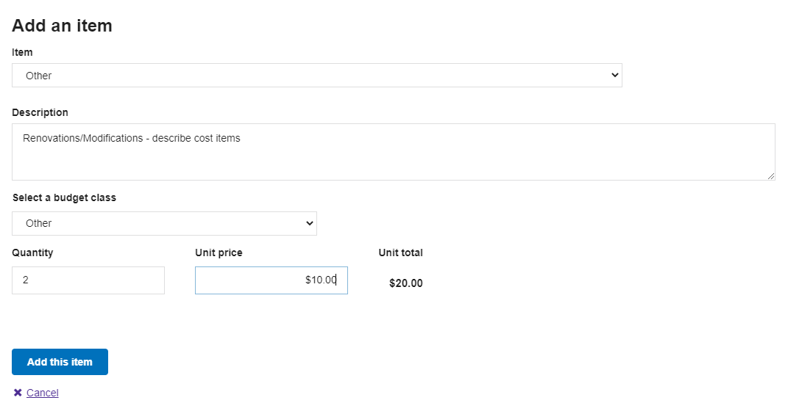

 |  | Once verified, repeat steps A–B for the remaining secondary costs, referring to Table 1 to appropriately crosswalk the NOFO terms with FEMA GO.

